Election Calendar
Montana Elections Calendar
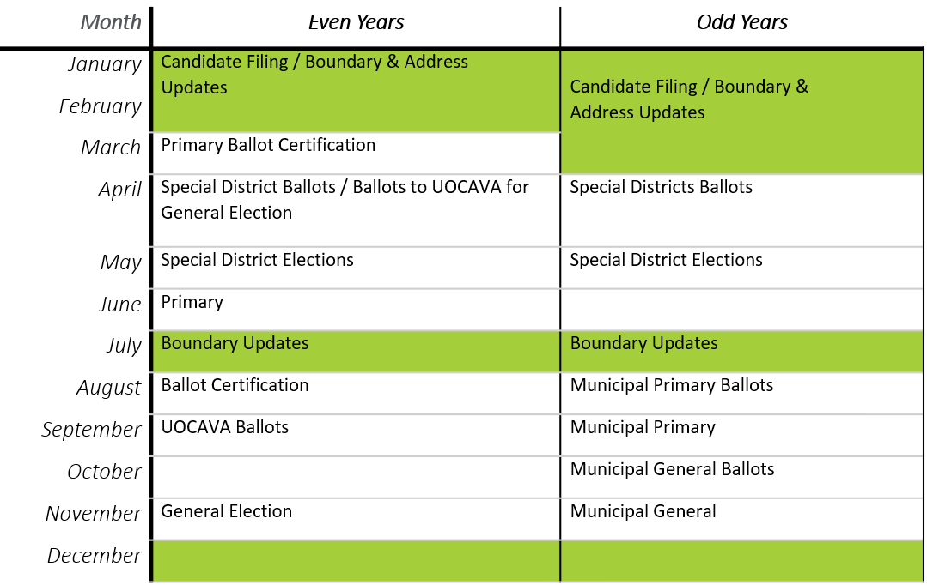

Indicates when the Montana Secretary of State (SOS) can update the Election Management System (EMS) with GIS Data Layers from the Montana State Library (MSL)

